Confirmed PO
PURCHASE ORDER |  |  |  |  |  | PT. LARA THALIA ABADI
PO NO | : 10194 |  |  |  |  | EVERBEST TOWER - CENGKARENG BUSINESS CITY TOWER M
 |  |  |  | EVERBEST |  | Jl. Atang Sanjaya no. 21 Benda - Tangerang Banten, Indonesia
DATE | : 03 Jul 2026 |  |  | NEW ARRIVAL - JAKARTA |  | PHONE : 021 - 2252 9090
TO | : EDE |  |  | FALL 2026 |  | E-MAIL ADDRESS : buyer@everbestgroup.com

DESCRIPTION | DEVELOP CODE | STYLE NAME | COLOUR | QTY | COST | AMOUNT

 | 开发代码 | 款式名称 |  | 数量 | US$ | US$
EVERBEST MEN ACCESSORIES - SOCK | 262EB174 | FARIS | BLACK | 600 | $60,000.00 | $36,000,000.00
 |  |  |  |  |  | $-
Material : FABRIC |  |  |  |  |  | $-
Lining : |  |  |  |  |  | $-
 |  |  |  |  |  | $-
 |  |  |  |  |  | $-
 |  |  |  | 600 |  | $36,000,000.00

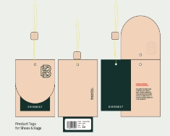
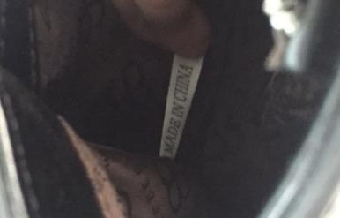
Delivery Date | 31-Jul-26 |  | BARCODE 请贴条码按照图片： | BAG CARD： | 请缝这个布标写“MADE IN CHINA"在内里布
交货日期
LOGO :
商标
TERM OF PAYMENT: | CREDIT

ES-JKT
PUT PRODUCT TAG INTO SHOE BOX
CARTON MARK ：
( 箱标志 )

PICTURE ( 图片 ):
262EB174
FARIS

BLACK

BLACK |  | 0 |  | 0 |  | 0
PACKAGING 包装： |  |  | OTHER REMARKS:
 |  |  | 注意：
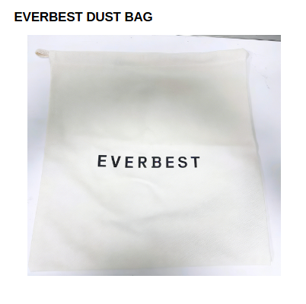


 |  |  | 1. FOLLOW AS SAMPLE
 |  |  | 遵循示例
 |  |  | 2. PLEASE ENSURE THE LONG STRAP IS INCLUDED IN EACH BAG
 |  |  | 请确保每个包中均包含长带

请用LTA胶带封箱 。请看图片
1. USING NEW DESIGN OF DUSTBAG

